Cover
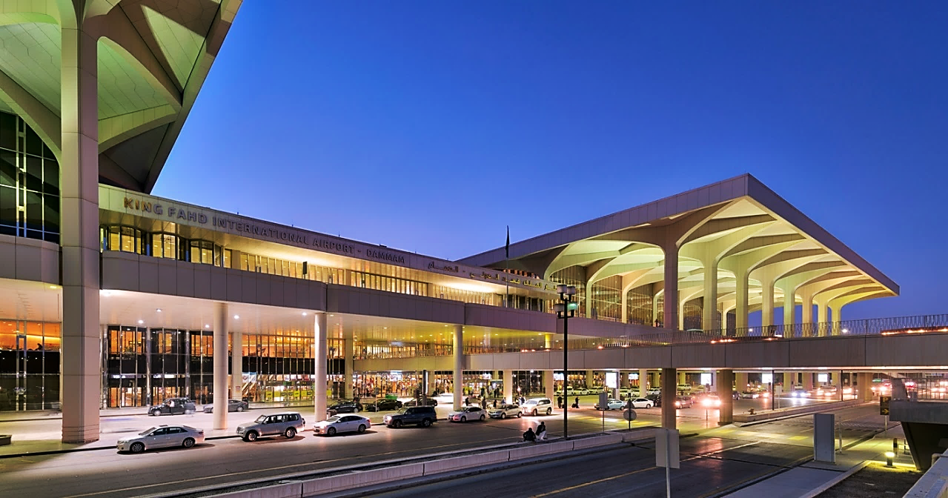

KING FAHAD INTERNATIONAL AIRPORT
2020.200 LANDSIDE SERVICES

EQUIPMENT LIST
REPORT NO. 24-0721
MONTH OF DCEMBER 2024

Subject: Installation, Repair & Maintenance Works

ABATAT CONTRACTING COMPANY
SUBMITTED BY:

